lever advantage
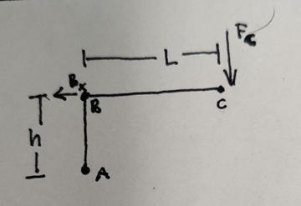
force multiplication by lever | actuation force | B_x_o | 175 | lb
M_a=0=B_x(h)+F(L) | hieght | h | 1.5 | in
 | length | L | 3.5 | in
 | applied grip force | F_c | 75 | lb

force applied at full squeeze | hypotenuse | hyp | 3.807886553
 | max angle | θ_h | 1.165904541 | rad
 | max angle corrected | θ_h | 66.80140949 | deg
 | max force | B_x_m | 408.3333333 | lb

=(D4*SIN(D7)*D3)/(COS(D7)*D2)
(F_g*sin(theta_max)*L)/(cos(theta_max)*h)

